Sheet1
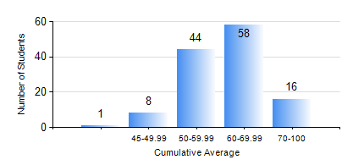
 |  |  | KWAME NKRUMAH UNIVERSITY OF SCIENCE AND TECHNOLOGY, KUMASI Department of Materials Engineering

 |  |  | BSC. METALLURGICAL ENG.

 |  |  | COMPREHENSIVE RECORD OF EXAMINATION RESULTS

 |  |  | RESULTS OF YEAR 1 FIRST SEMESTER, 2019/2020 ACADEMIC YEAR

 | Sn | Course Code |  | Course Name | Credit Hours | Min. Mark | Max. Mark | Avg. Mark | Std. Dev. | No. Passed | No. Trailed | No. (Df) | No. (I) | No. (I*) | No. Tagged(I,I*,Df) | Total
 | 0. |  |  |  |  |  |  | 0 | 0 | 0 | 0 | 0 | 0 | 0 | 0 | 1
 | 1. | EE 151 |  | APPLIED ELECTRICITY | 3 | 27 | 90 | 65 | 12.39 | 125 | 1 | 0 | 0 | 0 | 0 | 126
 | 2. | ENGL 157 |  | COMMUNICATION SKILLS I | 2 | 33 | 74 | 56 | 7.06 | 125 | 1 | 0 | 0 | 0 | 0 | 126
 | 3. | GED 151 |  | BASIC GEOLOGY | 2 | 45 | 94 | 70 | 11.23 | 126 | 0 | 0 | 0 | 0 | 0 | 126
 | 4. | MATH 151 |  | ALGEBRA | 4 | 37 | 94 | 66 | 11.26 | 125 | 1 | 0 | 0 | 0 | 0 | 126
 | 5. | ME 159 |  | TECHNICAL DRAWING | 2 | 40 | 84 | 57 | 7.62 | 126 | 0 | 0 | 0 | 0 | 0 | 126
 | 6. | ME 195 |  | ENGINEERING TECHNOLOGY I | 2 | 30 | 70 | 52 | 8.69 | 124 | 2 | 0 | 0 | 0 | 0 | 126
 | 7. | METE 151 |  | INTRODUCTION TO INFORMATION TECHNOLOGY | 2 | 22 | 78 | 61 | 9.53 | 125 | 1 | 0 | 0 | 0 | 0 | 126

